Sheet1
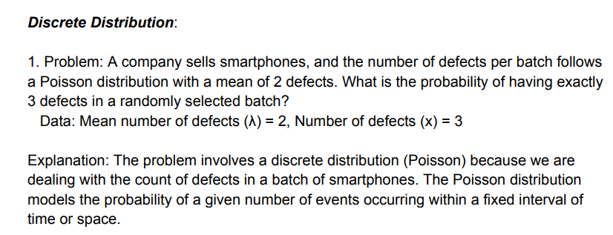
(λ)
x

P
n
X

n

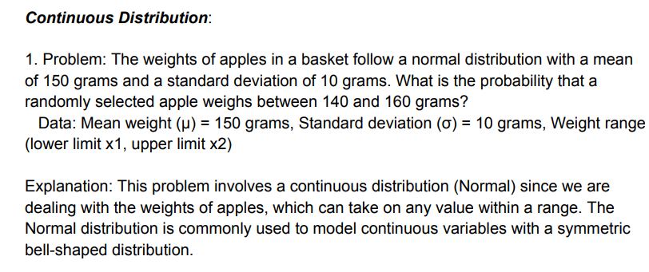
(μ)
(σ)
x1
x2

lower limits

uper limits

finally probability

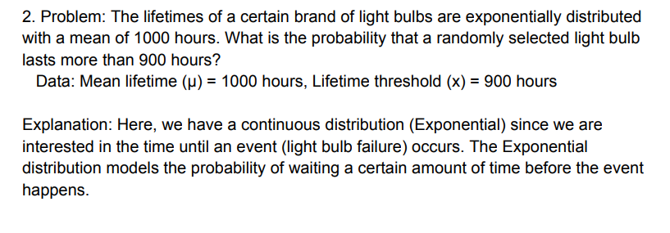
(μ)
x
 |  | 0.59343034026

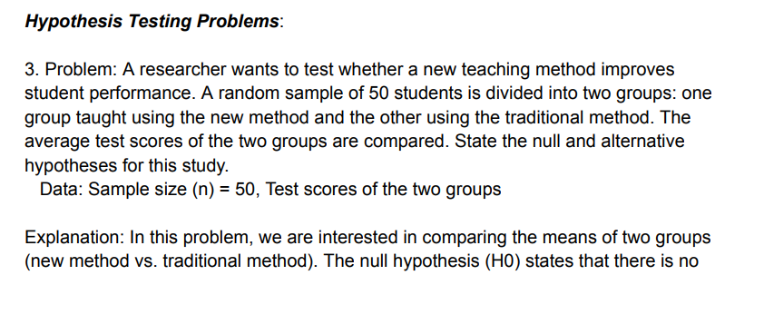
n | 50

 | The null hypothesis(HD) states that there is no significant difference between the average scoe between group using new teaching method and group using tradition methods

 | Alternative hypothesis(HA) suggests that nw teaching method improve average test score compare to traditional methods

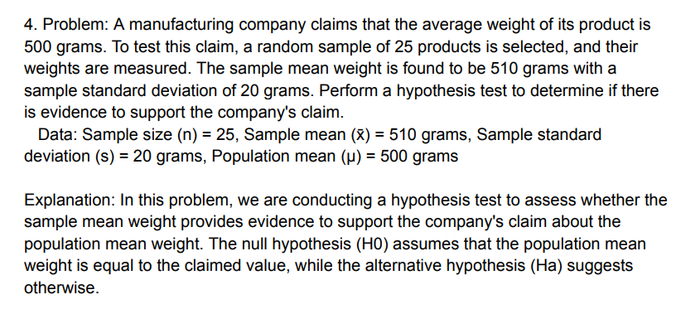
n | 25
(x̄) | 510
s | 20
(μ) | 500

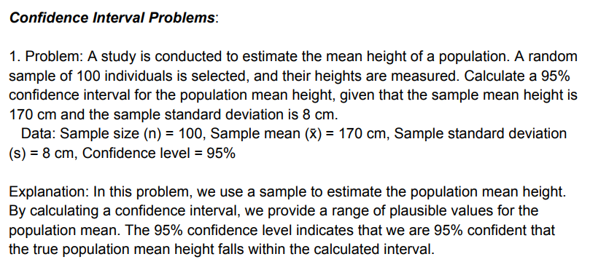

n | 100
(x̄) | 170
s | 8
Confidence level | 95%

 | 0.050165422355

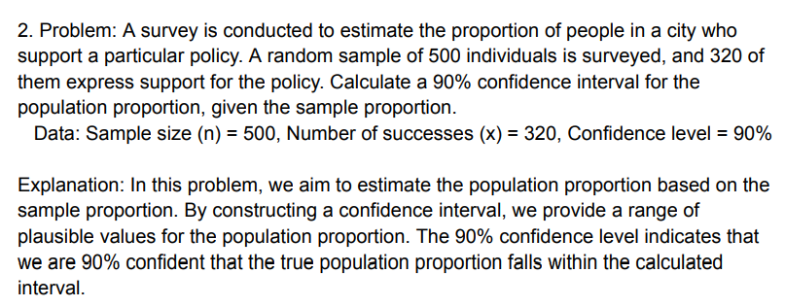
n | 500
x | 320
Confidence level | 90%
s | 127.2792

 | 0.71527568604

